IncompleteYears
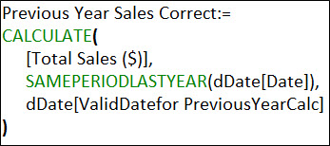

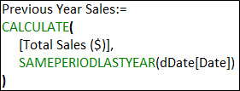
Fact Table = fTransactions
Number Rows = | 1155
First Sales Date: | 2020-01-01
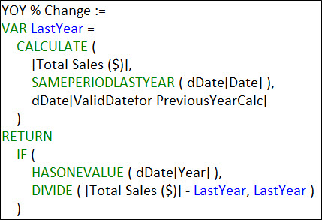
Last Sales Date: | 2021-04-23

Date | Sales | Year | Month | Total Sales ($) | Year | Month | Total Sales ($) | Previous Year Sales | Year | Month | Total Sales ($) | Previous Year Sales Correct
2020-10-27 | 273 | 2020 | January | 14,997 | 2020 | January | 14,997 |  | 2020 | January | 14,997
2020-07-16 | 366 |  | February | 12,794 |  | February | 12,794 |  |  | February | 12,794
2020-08-14 | 155 |  | March | 18,493 |  | March | 18,493 |  |  | March | 18,493
2020-01-19 | 215 |  | April | 13,163 |  | April | 13,163 |  |  | April | 13,163
2020-07-28 | 370 |  | May | 16,041 |  | May | 16,041 |  |  | May | 16,041
2020-07-27 | 248 |  | June | 14,293 |  | June | 14,293 |  |  | June | 14,293
2021-01-16 | 45 |  | July | 12,095 |  | July | 12,095 |  |  | July | 12,095
2020-08-30 | 149 |  | August | 14,727 |  | August | 14,727 |  |  | August | 14,727 |  |  | Year | Month | Total Sales ($) | YOY % Change | YOY % Change FILTER
2021-04-14 | 125 |  | September | 12,184 |  | September | 12,184 |  |  | September | 12,184 |  |  | 2020 | January | 14,997
2021-03-18 | 106 |  | October | 12,217 |  | October | 12,217 |  |  | October | 12,217 |  |  |  | February | 12,794
2021-01-24 | 28 |  | November | 13,092 |  | November | 13,092 |  |  | November | 13,092 |  |  |  | March | 18,493
2021-03-16 | 125 |  | December | 13,050 |  | December | 13,050 |  |  | December | 13,050 |  |  |  | April | 13,163
2021-02-20 | 12 | 2020 Total |  | 167,146 | 2020 Total |  | 167,146 |  | 2020 Total |  | 167,146 |  |  |  | May | 16,041
2020-10-17 | 207 | 2021 | January | 12,720 | 2021 | January | 12,720 | 14,997.00 | 2021 | January | 12,720 | 14,997.00 |  |  | June | 14,293
2020-10-06 | 113 |  | February | 13,382 |  | February | 13,382 | 12,794.00 |  | February | 13,382 | 12,794.00 |  |  | July | 12,095
2020-10-01 | 120 |  | March | 14,553 |  | March | 14,553 | 18,493.00 |  | March | 14,553 | 18,493.00 |  |  | August | 14,727
2020-07-08 | 256 |  | April | 10,300 |  | April | 10,300 | 13,163.00 |  | April | 10,300 | 9,328.00 |  |  | September | 12,184
2021-01-04 | 145 | 2021 Total |  | 50,955 |  | May |  | 16,041.00 | 2021 Total |  | 50,955 | 55,612.00 |  |  | October | 12,217
2020-09-26 | 4 | Grand Total |  | 218,101 |  | June |  | 14,293.00 | Grand Total |  | 218,101 | 55,612.00 |  |  | November | 13,092
2021-02-04 | 374 |  |  |  |  | July |  | 12,095.00 |  |  |  |  |  |  | December | 13,050
2020-03-28 | 197 |  |  |  |  | August |  | 14,727.00 |  |  |  |  |  | 2020 Total |  | 167,146
dDate Helper Column
2021-01-21 | 278 |  |  |  |  | September |  | 12,184.00 |  |  |  |  |  | 2021 | January | 12,720 | -15.18% | -15.18%
2020-08-25 | 27 |  |  |  |  | October |  | 12,217.00 |  |  |  |  |  |  | February | 13,382 | 4.60% | 4.60%
2021-01-05 | 179 |  |  |  |  | November |  | 13,092.00 |  |  |  |  |  |  | March | 14,553 | -21.31% | -21.31%
2021-02-10 | 318 |  |  |  |  | December |  | 13,050.00 |  |  |  |  |  |  | April | 10,300 | 10.42% | -21.75%
2020-02-27 | 226 |  |  |  | 2021 Total |  | 50,955 | 167,146.00 |  |  |  |  |  | 2021 Total |  | 50,955 | -8.37% | -14.28%
2020-04-12 | 91 |  |  |  | Grand Total |  | 218,101 | 167,146.00 |  |  |  |  |  | Grand Total |  | 218,101
2021-01-17 | 288
2020-05-13 | 257 |  |  |  |  |  |  |  | Calcualted Column in dDate table:

 |  |  |  |  |  |  |  |  | Check Figures:
 |  |  |  |  |  |  |  |  | 2020 sales totals up through 4/23/20 |  |  | 55612 | 55612
 |  |  |  |  |  |  |  |  | 2021 sales totals up through 4/23/20 |  |  | 50955 | 50955
 |  |  |  |  |  |  |  |  |  |  |  | -0.083740919226 | -0.083740919226

 |  |  |  |  |  |  |  |  | Feb/Feb Change |  |  | 12794 |  |  | Leep Year Records:
 |  |  |  |  |  |  |  |  |  |  |  | 13382 |  |  | 2020-02-29 | 57
 |  |  |  |  |  |  |  |  |  |  |  | 0.045959043302 | 0.045959043302

 |  |  |  |  |  |  |  |  | Feb/Feb Change FILTER function check: |  |  | 12,737
 |  |  |  |  |  |  |  |  |  |  |  | 13,382
 |  |  |  |  |  |  |  |  |  |  |  | 0.050639868101

